Annexure I
 |  |  |  | Annexure I
JIO BLACKROCK MUTUAL FUND

Risk-o-meter of the Scheme, Name of Scheme’s benchmark, Risk-o-meter of the Scheme’s benchmark and Potential Risk Class (PRC) Matrix for debt oriented schemes as on September 30, 2025

Scheme Name | Scheme - Risk o Meter | Benchmark Name | Benchmark - Risk o Meter | Potential Risk Class (PRC) Matrix

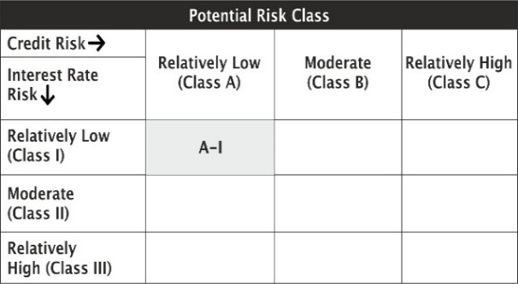

JioBlackRock Liquid Fund |  | NIFTY Liquid Index A-I

JioBlackRock Overnight Fund |  | NIFTY 1D Rate Index

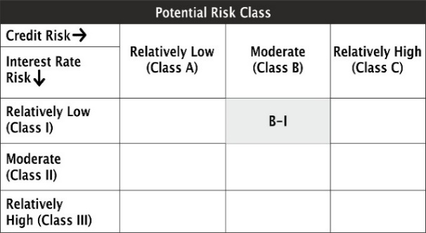

JioBlackRock Money Market Fund |  | NIFTY Money Market Index A-I

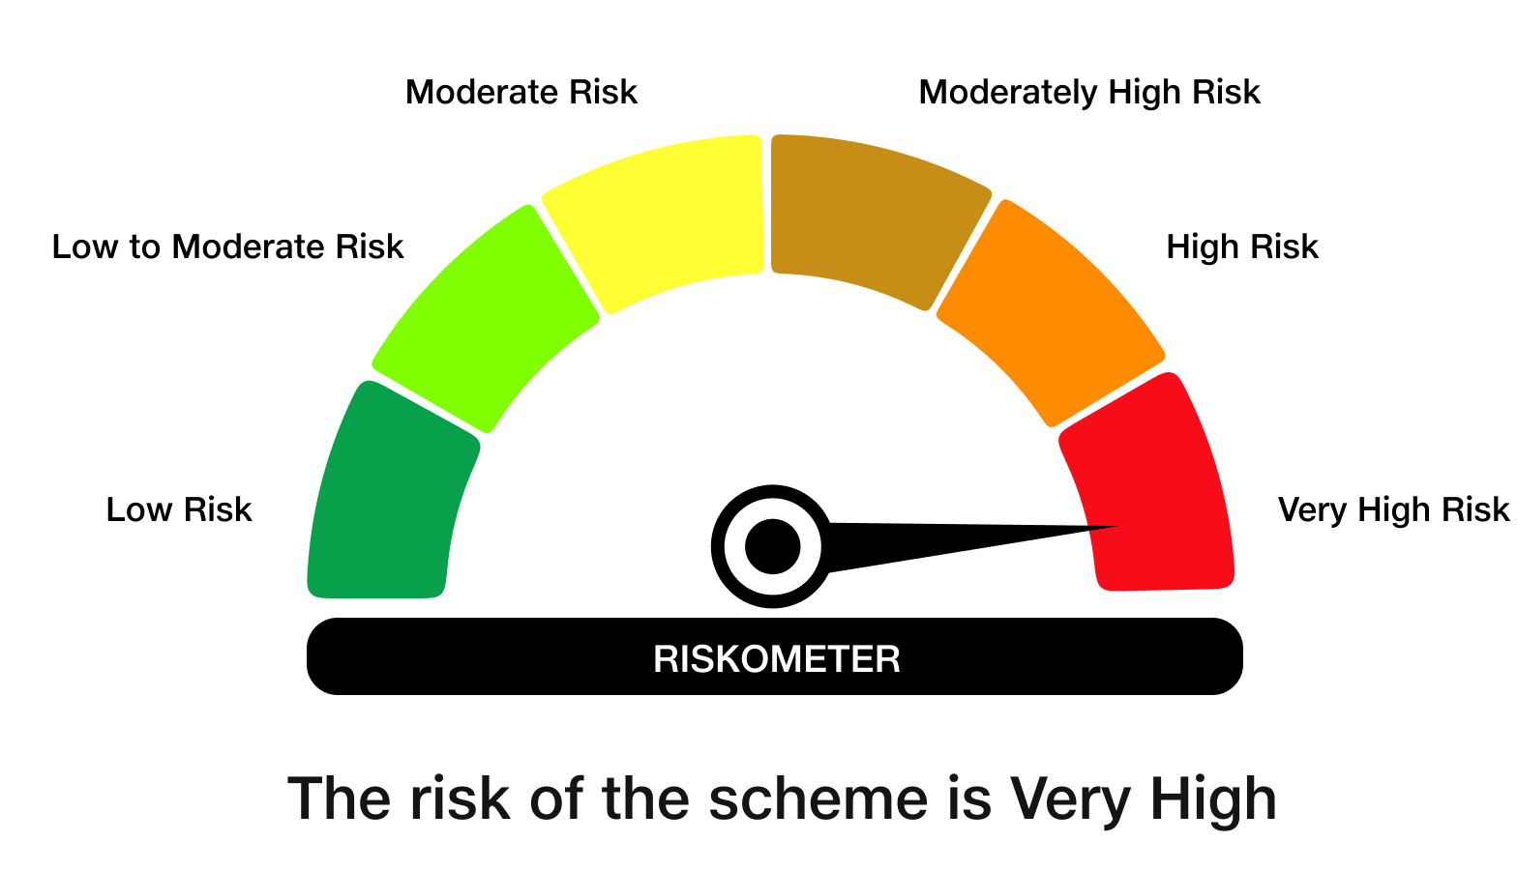

JioBlackRock Nifty 50 Index Fund |  | NIFTY 50 Index (TRI)
 |  |  |  | NA

JioBlackRock Nifty Next 50 Index Fund |  | NIFTY Next 50 Index (TRI) |  | NA

JioBlackRock Nifty Midcap 150 Index Fund |  | NIFTY Midcap 150 Index (TRI)
 |  |  |  | NA

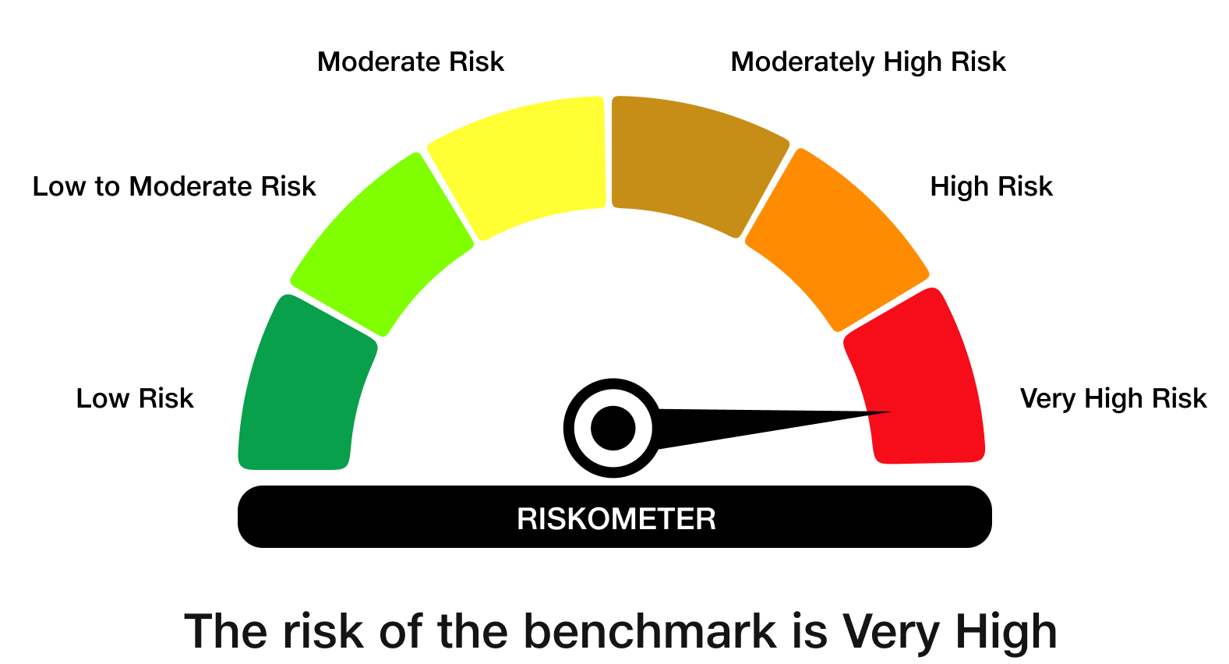

JioBlackRock Nifty Smallcap 250 Index Fund |  | NIFTY Smallcap 250 Index (TRI)
 |  |  |  | NA

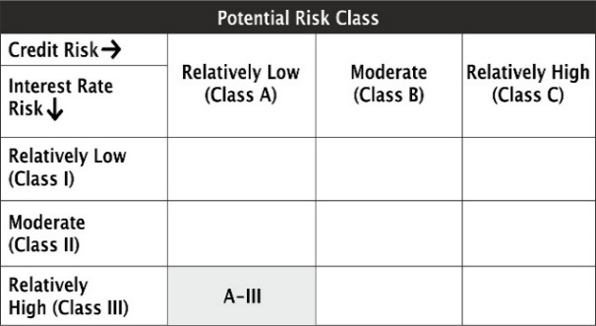

JioBlackRock Nifty 8-13 yr G-Sec Index Fund |  | NIFTY 8-13 yr G-Sec

