JBNNX50
JioBlackRock Nifty Next 50 Index Fund

Half Yearly Portfolio Statement as on September 30, 2025
Name of the Instrument | ISIN | Rating / Industry Classification | Quantity | Market/Fair Value (Rs. in Lakhs) | % to Net Assets | Yield to Maturity
Equity & Equity related
(a) Listed / awaiting listing on Stock Exchanges
Hindustan Aeronautics Ltd | INE066F01020 | Aerospace & Defense | 7,547 | 358.21 | 4.06
TVS Motor Co Ltd | INE494B01023 | Automobiles | 9,331 | 320.87 | 3.60
Vedanta Ltd | INE205A01025 | Diversified Metals | 67,437 | 314.12 | 3.53
Divi's Laboratories Ltd | INE361B01024 | Pharmaceuticals & Biotechnology | 5,049 | 287.26 | 3.22
Britannia Industries Ltd | INE216A01030 | Food Products | 4,688 | 280.86 | 3.15
Cholamandalam Investment and Finance Co Ltd | INE121A01024 | Finance | 16,754 | 269.87 | 3.03
Avenue Supermarts Ltd | INE192R01011 | Retailing | 5,851 | 261.86 | 2.94
Bharat Petroleum Corporation Ltd | INE029A01011 | Petroleum Products | 77,054 | 261.71 | 2.94
Tata Power Co Ltd | INE245A01021 | Power | 66,755 | 259.44 | 2.91
Indian Hotels Co Ltd | INE053A01029 | Leisure Services | 34,916 | 251.50 | 2.82
Varun Beverages Ltd | INE200M01039 | Beverages | 53,858 | 238.97 | 2.68
Power Finance Corporation Ltd | INE134E01011 | Finance | 57,883 | 237.47 | 2.67
Adani Power Ltd | INE814H01029 | Power | 156,462 | 226.32 | 2.54
Indian Oil Corporation Ltd | INE242A01010 | Petroleum Products | 148,533 | 222.49 | 2.50
Bajaj Holdings & Investment Ltd | INE118A01012 | Finance | 1,721 | 210.77 | 2.37
Info Edge (India) Ltd | INE663F01032 | Retailing | 15,452 | 202.31 | 2.27
CG Power and Industrial Solutions Ltd | INE067A01029 | Electrical Equipment | 27,288 | 202.19 | 2.27
Ltimindtree Ltd | INE214T01019 | IT - Software | 3,686 | 190.11 | 2.13
Bank of Baroda | INE028A01039 | Banks | 73,386 | 189.73 | 2.13
GAIL (India) Ltd | INE129A01019 | Gas | 107,229 | 189.03 | 2.12
Godrej Consumer Products Ltd | INE102D01028 | Personal Products | 15,991 | 186.60 | 2.09
Samvardhana Motherson International Ltd | INE775A01035 | Auto Components | 176,504 | 186.48 | 2.09
REC Ltd | INE020B01018 | Finance | 49,652 | 185.13 | 2.08
DLF Ltd | INE271C01023 | Realty | 25,501 | 181.82 | 2.04
ICICI Lombard General Insurance Co Ltd | INE765G01017 | Insurance | 9,595 | 181.33 | 2.04
Pidilite Industries Ltd | INE318A01026 | Chemicals & Petrochemicals | 12,340 | 181.15 | 2.03
Canara Bank | INE476A01022 | Banks | 134,023 | 165.80 | 1.86
Jindal Steel Ltd | INE749A01030 | Ferrous Metals | 14,858 | 158.05 | 1.77
Shree Cement Ltd | INE070A01015 | Cement & Cement Products | 532 | 155.69 | 1.75
United Spirits Ltd | INE854D01024 | Beverages | 11,741 | 155.49 | 1.75
Punjab National Bank | INE160A01022 | Banks | 137,068 | 154.65 | 1.74
Havells India Ltd | INE176B01034 | Consumer Durables | 10,022 | 150.53 | 1.69
Torrent Pharmaceuticals Ltd | INE685A01028 | Pharmaceuticals & Biotechnology | 4,158 | 149.82 | 1.68
Hyundai Motor India Ltd | INE0V6F01027 | Automobiles | 5,668 | 146.48 | 1.64
Ambuja Cements Ltd | INE079A01024 | Cement & Cement Products | 24,880 | 141.80 | 1.59
Bosch Ltd | INE323A01026 | Auto Components | 345 | 131.60 | 1.48
Solar Industries India Ltd | INE343H01029 | Chemicals & Petrochemicals | 968 | 129.00 | 1.45
Lodha Developers Ltd | INE670K01029 | Realty | 11,169 | 126.86 | 1.42
Adani Green Energy Ltd | INE364U01010 | Power | 12,170 | 124.97 | 1.40
Siemens Energy India ltd | INE1NPP01017 | Electrical Equipment | 3,516 | 120.70 | 1.35
Adani Energy Solutions Ltd | INE931S01010 | Power | 13,790 | 120.28 | 1.35
JSW Energy Ltd | INE121E01018 | Power | 21,286 | 113.00 | 1.27
Siemens Ltd | INE003A01024 | Electrical Equipment | 3,513 | 109.93 | 1.23
ABB India Ltd | INE117A01022 | Electrical Equipment | 2,085 | 108.07 | 1.21
Zydus Lifesciences Ltd | INE010B01027 | Pharmaceuticals & Biotechnology | 9,929 | 97.49 | 1.09
Indian Railway Finance Corporation Ltd | INE053F01010 | Finance | 71,029 | 87.73 | 0.98
Mazagon Dock Shipbuilders Ltd | INE249Z01020 | Industrial Manufacturing | 3,020 | 83.40 | 0.94
Hindustan Zinc Ltd | INE267A01025 | Non - Ferrous Metals | 17,233 | 83.14 | 0.93
Life Insurance Corporation Of India | INE0J1Y01017 | Insurance | 8,825 | 79.46 | 0.89
Bajaj Housing Finance Ltd | INE377Y01014 | Finance | 37,022 | 40.73 | 0.46
Sub Total |  |  |  | 9,012.27 | 101.17
(b) Unlisted |  |  |  | NIL | NIL
Sub Total |  |  |  | NIL | NIL
Total |  |  |  | 9,012.27 | 101.17
Debt Instruments
(a) Listed / awaiting listing on Stock Exchanges
Cumulative Non-Convertible Redeemable Preference Shares
6.00% TVS Motor Co Ltd Cumulative NCRPS (01-Sep-2026) ** | INE494B04019 | CARE A1+ | 26,520 | 2.66 | 0.03 | 6.05%
Sub Total |  |  |  | 2.66 | 0.03
(b) Unlisted |  |  |  | NIL | NIL
Total |  |  |  | 2.66 | 0.03

TREPS |  |  |  | 163.18 | 1.83 | 5.49%

Net Receivables / (Payables) |  |  |  | (270.36) | (3.03)
Grand Total |  |  |  | 8,907.75 | 100.00
** Non- Traded Security

Notes

(1) There is no security which is in default beyond its maturity/ interest payment date.
(2) Aggregate value of illiquid equity shares of the fund amounts to Rs. Nil and their percentage to net asset value is Nil.
(3) Plan/ Option wise per unit net asset value are as follows:

Plan/ Option | As on March 31, 2025 * | As on September 30, 2025
Direct Growth | N.A. | 10.0620

* Scheme launched during the half year ended September 30, 2025, hence there are no NAVs at the beginning of the half year period.

(4) There was no distribution (of income and capital) during the half year ended September 30, 2025.
(5) Total outstanding exposure in derivative instruments as on September 30, 2025 is Rs. Nil.
(6) Total market value of investments in foreign securities/ American Depository Receipts/ Global Depository Receipts as at September 30, 2025 is Rs. Nil.
(7) During the period, the portfolio turnover ratio is 9.03 times.
(8) Repo transactions in corporate debt securities as on September 30, 2025 is Rs. Nil.

Scheme Risk-O-Meter
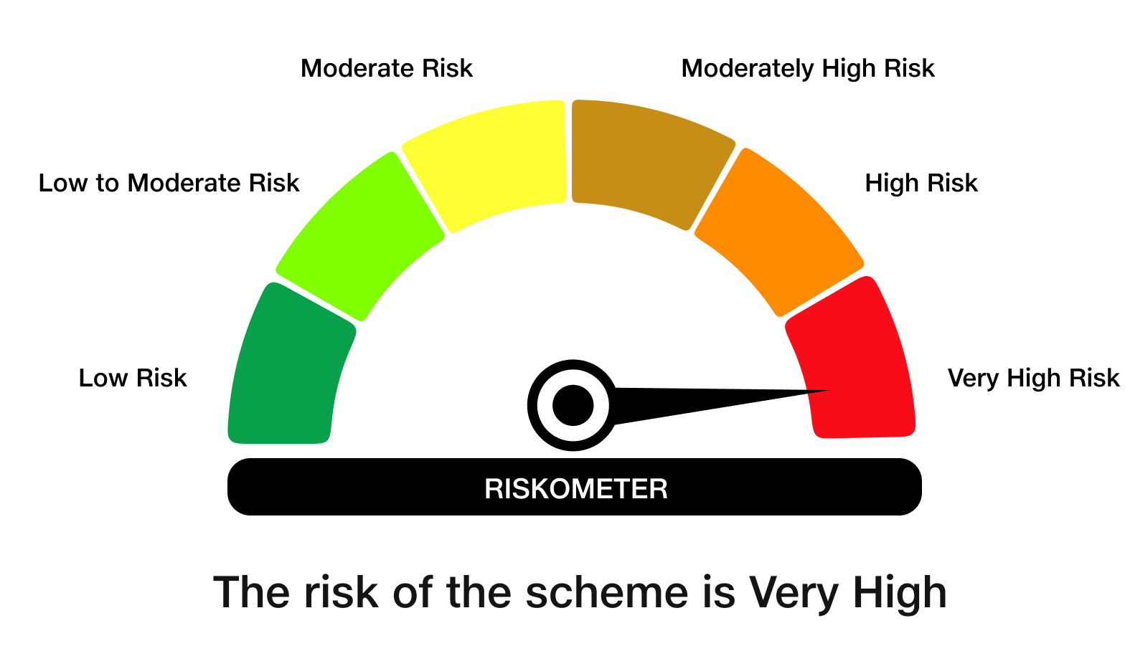

Benchmark Risk-O-Meter
Benchmark Name - NIFTY Next 50 Index (TRI)

