JBN50
JioBlackRock Nifty 50 Index Fund

Half Yearly Portfolio Statement as on September 30, 2025
Name of the Instrument | ISIN | Industry Classification | Quantity | Market/Fair Value (Rs. in Lakhs) | % to Net Assets | Yield to Maturity
Equity & Equity related
(a) Listed / awaiting listing on Stock Exchanges
HDFC Bank Ltd | INE040A01034 | Banks | 126,155 | 1,199.75 | 12.98
ICICI Bank Ltd | INE090A01021 | Banks | 58,883 | 793.74 | 8.58
Reliance Industries Ltd | INE002A01018 | Petroleum Products | 55,917 | 762.71 | 8.25
Infosys Ltd | INE009A01021 | IT - Software | 29,758 | 429.05 | 4.64
Bharti Airtel Ltd | INE397D01024 | Telecom - Services | 22,513 | 422.88 | 4.57
Larsen & Toubro Ltd | INE018A01030 | Construction | 9,700 | 354.92 | 3.84
ITC Ltd | INE154A01025 | Diversified Fmcg | 79,582 | 319.56 | 3.45
State Bank of India | INE062A01020 | Banks | 34,271 | 299.00 | 3.23
Axis Bank Ltd | INE238A01034 | Banks | 23,655 | 267.68 | 2.89
Mahindra & Mahindra Ltd | INE101A01026 | Automobiles | 7,320 | 250.86 | 2.71
Tata Consultancy Services Ltd | INE467B01029 | IT - Software | 8,436 | 243.67 | 2.63
Kotak Mahindra Bank Ltd | INE237A01028 | Banks | 12,147 | 242.05 | 2.62
Bajaj Finance Ltd | INE296A01032 | Finance | 21,977 | 219.53 | 2.37
Eternal Ltd | INE758T01015 | Retailing | 57,515 | 187.21 | 2.02
Hindustan Unilever Ltd | INE030A01027 | Diversified Fmcg | 7,331 | 184.33 | 1.99
Maruti Suzuki India Ltd | INE585B01010 | Automobiles | 1,084 | 173.75 | 1.88
Sun Pharmaceutical Industries Ltd | INE044A01036 | Pharmaceuticals & Biotechnology | 8,705 | 138.78 | 1.50
NTPC Ltd | INE733E01010 | Power | 39,130 | 133.22 | 1.44
HCL Technologies Ltd | INE860A01027 | IT - Software | 8,751 | 121.21 | 1.31
Ultratech Cement Ltd | INE481G01011 | Cement & Cement Products | 981 | 119.90 | 1.30
Bharat Electronics Ltd | INE263A01024 | Aerospace & Defense | 29,585 | 119.51 | 1.29
Tata Motors Ltd | INE155A01022 | Automobiles | 17,253 | 117.35 | 1.27
Tata Steel Ltd | INE081A01020 | Ferrous Metals | 68,307 | 115.28 | 1.25
Titan Co Ltd | INE280A01028 | Consumer Durables | 3,409 | 114.78 | 1.24
Power Grid Corporation of India Ltd | INE752E01010 | Power | 37,414 | 104.85 | 1.13
Interglobe Aviation Ltd | INE646L01027 | Transport Services | 1,804 | 100.92 | 1.09
Bajaj Finserv Ltd | INE918I01026 | Finance | 4,715 | 94.60 | 1.02
Hindalco Industries Ltd | INE038A01020 | Non - Ferrous Metals | 11,963 | 91.15 | 0.99
JSW Steel Ltd | INE019A01038 | Ferrous Metals | 7,738 | 88.42 | 0.96
Asian Paints Ltd | INE021A01026 | Consumer Durables | 3,735 | 87.77 | 0.95
Grasim Industries Ltd | INE047A01021 | Cement & Cement Products | 3,156 | 87.01 | 0.94
Trent Ltd | INE849A01020 | Retailing | 1,833 | 85.74 | 0.93
Adani Ports and Special Economic Zone Ltd | INE742F01042 | Transport Infrastructure | 6,096 | 85.56 | 0.92
Eicher Motors Ltd | INE066A01021 | Automobiles | 1,137 | 79.65 | 0.86
Bajaj Auto Ltd | INE917I01010 | Automobiles | 916 | 79.50 | 0.86
Jio Financial Services Ltd | INE758E01017 | Finance | 27,070 | 79.37 | 0.86
Oil & Natural Gas Corporation Ltd | INE213A01029 | Oil | 32,086 | 76.85 | 0.83
Tech Mahindra Ltd | INE669C01036 | IT - Software | 5,244 | 73.43 | 0.79
Coal India Ltd | INE522F01014 | Consumable Fuels | 18,758 | 73.15 | 0.79
Shriram Finance Ltd | INE721A01047 | Finance | 11,565 | 71.25 | 0.77
Cipla Ltd | INE059A01026 | Pharmaceuticals & Biotechnology | 4,646 | 69.84 | 0.75
Max Healthcare Institute Ltd | INE027H01010 | Healthcare Services | 6,140 | 68.44 | 0.74
Nestle India Ltd | INE239A01024 | Food Products | 5,922 | 68.27 | 0.74
HDFC Life Insurance Co Ltd | INE795G01014 | Insurance | 8,863 | 67.04 | 0.72
SBI Life Insurance Co Ltd | INE123W01016 | Insurance | 3,706 | 66.36 | 0.72
Apollo Hospitals Enterprise Ltd | INE437A01024 | Healthcare Services | 835 | 61.87 | 0.67
Dr. Reddy's Laboratories Ltd | INE089A01031 | Pharmaceuticals & Biotechnology | 5,032 | 61.58 | 0.67
Tata Consumer Products Ltd | INE192A01025 | Agricultural Food & Other Products | 5,380 | 60.76 | 0.66
Wipro Ltd | INE075A01022 | IT - Software | 23,567 | 56.41 | 0.61
Adani Enterprises Ltd | INE423A01024 | Metals & Minerals Trading | 2,152 | 53.93 | 0.58
Sub Total |  |  |  | 9,324.44 | 100.80
(b) Unlisted |  |  |  | NIL | NIL
Sub Total |  |  |  | NIL | NIL
Total |  |  |  | 9,324.44 | 100.80
TREPS |  |  |  | 123.58 | 1.34 | 5.49%

Net Receivables / (Payables) |  |  |  | (197.57) | (2.14)
Grand Total |  |  |  | 9,250.45 | 100.00

Notes

(1) There is no security which is in default beyond its maturity/ interest payment date.
(2) Aggregate value of illiquid equity shares of the fund amounts to Rs. Nil and their percentage to net asset value is Nil.
(3) Plan/ Option wise per unit net asset value are as follows:

Plan/ Option | As on March 31, 2025 * | As on September 30, 2025
Direct Growth | N.A. | 9.8904

* Scheme launched during the half year ended September 30, 2025, hence there are no NAVs at the beginning of the half year period.

(4) There was no distribution (of income and capital) during the half year ended September 30, 2025.
(5) Total outstanding exposure in derivative instruments as on September 30, 2025 is Rs. Nil.
(6) Total market value of investments in foreign securities/ American Depository Receipts/ Global Depository Receipts as at September 30, 2025 is Rs. Nil.
(7) During the period, the portfolio turnover ratio is 1.34 times.
(8) Repo transactions in corporate debt securities as on September 30, 2025 is Rs. Nil.

Scheme Risk-O-Meter

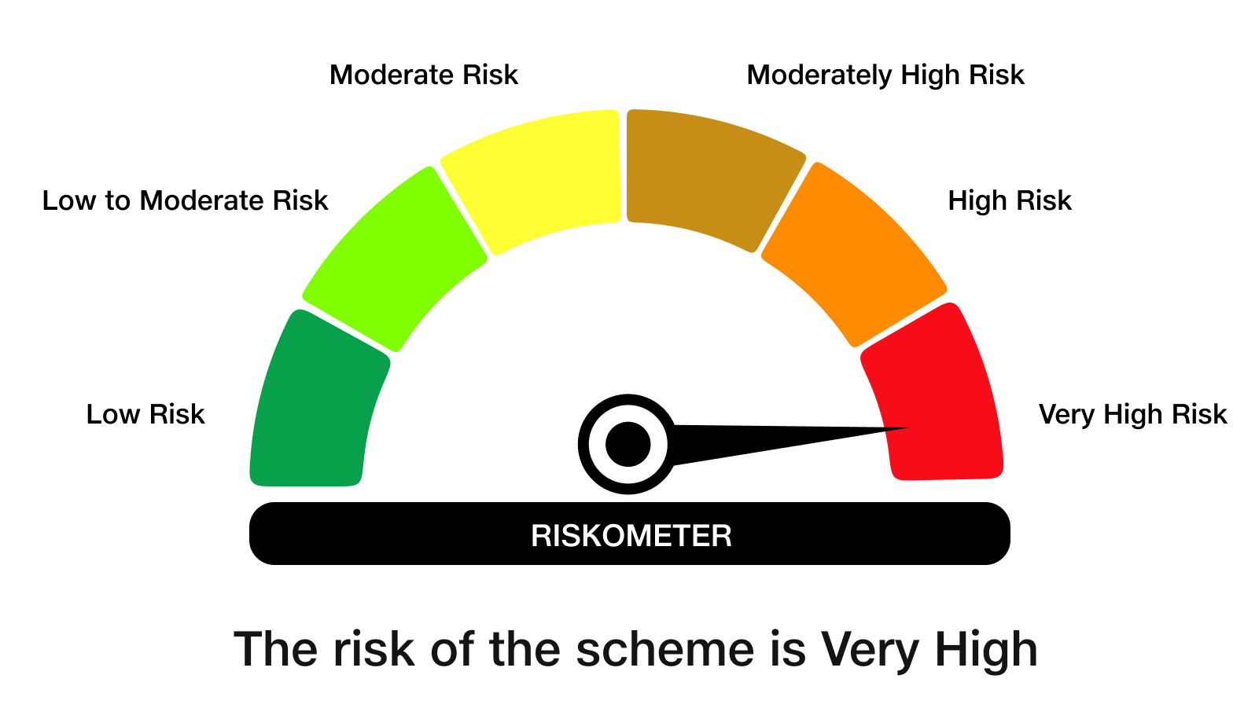

Benchmark Risk-O-Meter
Benchmark Name - NIFTY 50 Index (TRI)
